AMQ05
Main
 | Spring
 | YE | 2022-11-30

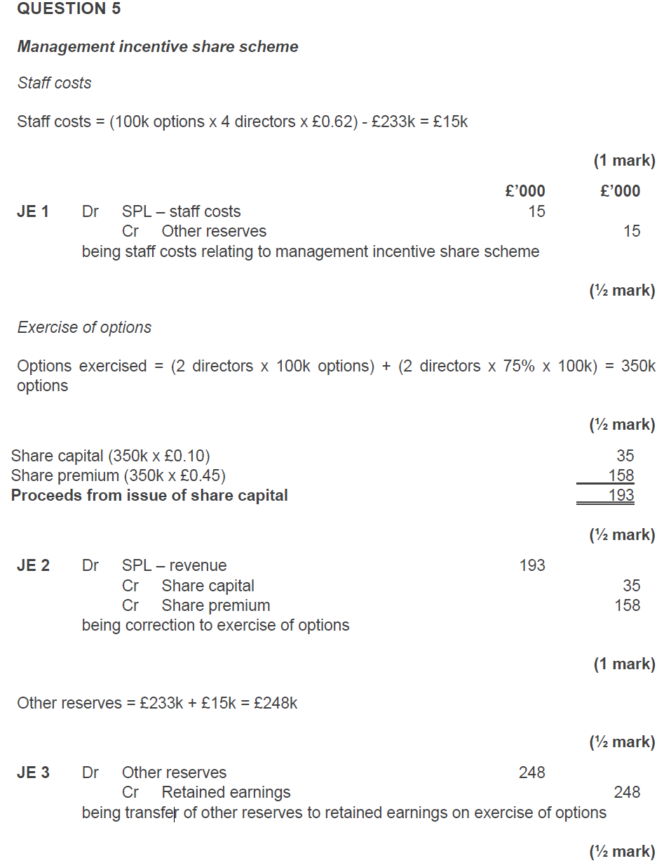
 | Service conditions
 | This is an equity settled share based payment, with options to purchase shares being granted to [employees/directors] in exchange for their services to the company (providing they remain in employment until xx/xx/xx) |  |  |  |  | As the fair value of the service of the employees cannot be measured reliably the cost is measured using the FV of the share options at the grant date, being …
 | The asset/expense should be value at the fair value of the goods/services received. If unable to determine reliably (i.e. staff services) then should measure at FV of instruments granted at the grant date. |  |  |  |  | Six employees are expected to remain with the company, so the fair value should be calculated based on option accruing to .. employees. At YE, the total fair value of the options is:
 | As we cannot estimate the fair value of the service to the company we should measure the transaction at the fair value of the equity instruments.
 | Changes in fair value of the options should not be accounted for.
 | Number of employees |  | 5 |  |  | x employees * no. of options * FV = xxx
 | Number of share options granted per employee |  | 100
 | Vesting period |  | 4 |  |  | At year end, the share option scheme is at the end of year x of a 4 year vesting period and therefore x/4 of the total fair value should be accounted for:
 | Value at grant date |  | 0.55

 | recognise the SC and SP based on the shares exercised |  |  |  |  | *calc*
 | adjust the reserve balance and transfer to the PL

 | PY reserve |  |  | 232.5
 | CY reerve |  |  | 248
 | increase in reserve |  |  | 15.5

 | dr - SPL staff costs |  |  | 15.5
 |  | cr - other reserves |  |  | 15.5
 | being staff costs relating to management incentive share scheme

 | Shares exercised |  |  | 350

 | dr - revenue |  |  | 193
 |  | cr - SC |  |  | 35
 |  | cr - SP |  |  | 158
 | being correction of excise of options

 | dr - other reserves |  |  | 248
 |  | cr - RE |  |  | 248
 | being transfer of other reserves to retained earnings on exercise of options

 | Share issue for non-current asset

 | 2022-11-30
 | estimated market value |  |  | 1750
 | shares issued to pay for it
 | SC |  |  | 1400*.1 | 140
 | SP |  |  | 1400*(.97-.1) | 1218
 | Cash |  |  |  | 500
 |  |  |  |  | 1858
 | In exchange for an asset
 | The acquisition of the asset is an equity settled share-based payment, with shares being issues to purchase a non-current asset.
 | The non-cash consideration should be recognised at its fair value on the date of issue if this is available

 | Number of shares | 1,400
 | Par value of shares | 0.1
 | FV of shares | 1,358
 | FV of asset available? | Yes
 | FV of asset | 1,250

 | As we know the fair value of the asset received, the market value of equity is not relevant. The asset should be recognised at its fair value of £1250
 | The amount of the fair value of the asset exceeds the nominal value of shares issued and so a premium must be recognised in 'share premium'

 | Share capital | 140
 | Share premium | 1,110
 | Fair value of property | 1,250

 | DR Asset | 1,250
 | CR Share capital |  | 140
 | CR Share premium |  | 1,110

 | The shares issued should be recognised at their nominal value of £140, with £1110 recognised in the share premium account
 | The asset should be depreciated in line with company policy over its estimated useful life of … years from the date it was put into use. For the year ended xx/xxx/xx, this is xx months of depreciation.

